Activity
Introduction

This activity is about joining data from one table to another using join theory.

In this activity, join two tables togther using the four different join theories: left, right, inner and full (outer).

Prerequisite knowledge
Some familiarity with join theory.
Some familiarity with Excel tables.

Learning outcomes
• Gain additional experience with join theory (left, right, inner and full outer).
• Use join theory to join tables.

Key

Q0.0 | Question or exercise

 | User input

Name

Challenge details

In this activity, you carry out a series of joins using two data tables and recored the results of the join as a single table.

The two tables are as follows below:

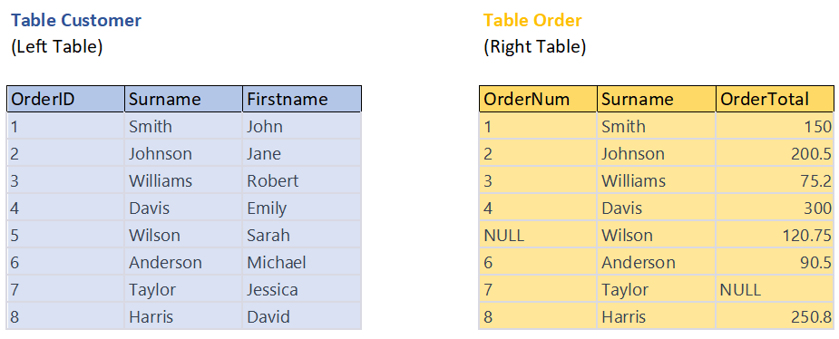

To get started, familiarise yourself with the two tables, Customer and Order. The first table (on the left), Customer, contains details of customers who placed and contains the order number (OrderID) and the name of the customer who placed the order (Surname and Firstname). The second table (on the right), Order, contains details of orders placed and contains the order number (OrderNum), name of the customers (Surname and Firstname) and the total value of that order (Order Total). Note, that 'OrderID' in the left table is the same field value as 'OrderNum' in the right table.

Important details
• This a guided activity: you will be given advice and guidelines on what formulas you should write. As the activity progresses, the guidelines will become less detailed and the formulas will become more complex.

Part 1: Left Join

Q1.1 | ★★☆☆☆

Explain what a left join does.

E1.2 | ★★☆☆☆ | Jump to worksheet

We can now apply join theory to carry out a join using the two order tables. Go to the worksheet named 'Left Join' and carry out a left join of the two tables. Record the results of your join in the same worksheet.

Q1.3 | ★☆☆☆☆

How many rows are in the new table?

Q1.4 | ★☆☆☆☆

How many rows are incomplete (do not have a value in every column)?

Part 2: Right Join

Q2.1 | ★★☆☆☆

Explain what a right join does.

E2.2 | ★★☆☆☆ | Jump to worksheet

We can now apply join theory to carry out a join using the two order tables. Go to the worksheet named 'Right Join' and carry out a right join of the two tables. Record the results of your join in the same worksheet.

Q2.3 | ★☆☆☆☆

How many rows are in the new table?

Q2.4 | ★☆☆☆☆

How many rows are incomplete (do not have a value in every column)?

Part 3: Inner Join

Q3.1 | ★★☆☆☆

Explain what an inner join does.

E3.2 | ★★★☆☆ | Jump to worksheet

We can now apply join theory to carry out a join using the two order tables. Go to the worksheet named 'Inner Join' and carry out an inner join of the two tables. Record the results of your join in the same worksheet.

Q3.3 | ★☆☆☆☆

How many rows are in the new table?

Q3.4 | ★☆☆☆☆

Are there any incomplete rows (do not have a value in every column)? If so, how many?

Part 4: Full Outer Join

Q4.1 | ★★☆☆☆

Explain what a full outer join does.

E4.2 | ★★★☆☆ | Jump to worksheet

We can now apply join theory to carry out a join using the two order tables. Go to the worksheet named 'Full Join' and carry out a full outer join of the two tables. Record the results of your join in the same worksheet.

Q4.3 | ★☆☆☆☆

How many rows are in the new table?

Q4.4 | ★☆☆☆☆

Are there any incomplete rows (do not have a value in every column)? If so, how many?

Left Join
Left Join

OrderCustomer |  |  |  | OrderValue
(Left Table) |  |  |  | (Right Table)

Left Join
OrderID | Surname | Firstname |  | OrderNum | Surname | OrderTotal
1 | Smith | John |  | 1 | Smith | 150
2 | Johnson | Jane |  | 2 | Johnson | 200.5
3 | Williams | Robert |  | 3 | Williams | 75.2
4 | Davis | Emily |  | 4 | Davis | 300
5 | Wilson | Sarah |  | NULL | Wilson | 120.75
6 | Anderson | Michael |  | 6 | Anderson | 90.5
7 | Taylor | Jessica |  | 7 | Taylor | NULL
8 | Harris | David |  | 8 | Harris | 250.8

Results:

All rows from the Customer table are included, and the corresponding Order.OrderID and Order.OrderTotal values are shown where there is a match. If there is no match (for example, customer with ID 5 and 7), the Order.OrderID and Order.OrderTotal columns will contain NULL values.
OrderID | Surname | Firstname | OrderNum | OrderTotal
1 | Smith | John | 1 | 150
2 | Johnson | Jane | 2 | 200.5
3 | Williams | Robert | 3 | 75.2
4 | Davis | Emily | 4 | 300
5 | Wilson | Sarah | NULL | NULL
6 | Anderson | Michael | 6 | 90.5
7 | Taylor | Jessica | 7 | NULL
8 | Harris | David | 8 | 250.8

Fields from Table 1 (left table) - Table Customer
Fields from Table 2 (right table) - Table Order
Fields that are common in both tables

Right Join
Right Join

OrderCustomer |  |  |  | OrderValue
(Left Table) |  |  |  | (Right Table)

OrderID | Surname | Firstname |  | OrderNum | Surname | OrderTotal
1 | Smith | John |  | 1 | Smith | 150
2 | Johnson | Jane |  | 2 | Johnson | 200.5
Right Join
3 | Williams | Robert |  | 3 | Williams | 75.2
4 | Davis | Emily |  | 4 | Davis | 300
5 | Wilson | Sarah |  | NULL | Wilson | 120.75
6 | Anderson | Michael |  | 6 | Anderson | 90.5
7 | Taylor | Jessica |  | 7 | Taylor | NULL
8 | Harris | David |  | 8 | Harris | 250.8

Results:

In this result, all rows from the Order table are included, and the corresponding Customer.OrderID, Customer.CustomerSurname, and Customer.CustomerFirstName values are shown where there is a match. If there is no match in the Customer table (for example, customer with ID 5), the Customer.OrderID, Customer.CustomerSurname, and Customer.CustomerFirstName columns will contain NULL values.
OrderID | Surname | Firstname | OrderNum | OrderTotal
1 | Smith | John | 1 | 150
2 | Johnson | Jane | 2 | 200.5
3 | Williams | Robert | 3 | 75.2
4 | Davis | Emily | 4 | 300
6 | Anderson | Michael | 6 | 90.5
8 | Harris | David | 8 | 250.8
NULL | Wilson | Sarah | NULL | NULL
7 | Taylor | Jessica | 7 | NULL

Fields from Table 1 (left table) - Table Customer
Fields from Table 2 (right table) - Table Order
Fields that are common in both tables

Inner Join
Inner Join

OrderCustomer |  |  |  | OrderValue
(Left Table) |  |  |  | (Right Table)

Join
Inner
OrderID | Surname | Firstname |  | OrderNum | Surname | OrderTotal
1 | Smith | John |  | 1 | Smith | 150
2 | Johnson | Jane |  | 2 | Johnson | 200.5
3 | Williams | Robert |  | 3 | Williams | 75.2
4 | Davis | Emily |  | 4 | Davis | 300
5 | Wilson | Sarah |  | NULL | Wilson | 120.75
6 | Anderson | Michael |  | 6 | Anderson | 90.5
7 | Taylor | Jessica |  | 7 | Taylor | NULL
8 | Harris | David |  | 8 | Harris | 250.8

Results:

Only the rows with matching OrderID values in both tables are included. Rows where there is no match (e.g., OrderID 5 and 7) are excluded from the result. The result includes columns from both tables, such as OrderID, CustomerSurname, CustomerFirstName, and OrderTotal, where applicable.
OrderID | Surname | Firstname | OrderTotal
1 | Smith | John | 150
2 | Johnson | Jane | 200.5
3 | Williams | Robert | 75.2
4 | Davis | Emily | 300
6 | Anderson | Michael | 90.5
8 | Harris | David | 250.8

Fields from Table 1 (left table) - Table Customer
Fields from Table 2 (right table) - Table Order
Fields that are common in both tables

Full Join
Full (Outer) Join

OrderCustomer |  |  |  | OrderValue
(Left Table) |  |  |  | (Right Table)

Join
Inner
OrderID | Surname | Firstname |  | OrderNum | Surname | OrderTotal
1 | Smith | John |  | 1 | Smith | 150
2 | Johnson | Jane |  | 2 | Johnson | 200.5
3 | Williams | Robert |  | 3 | Williams | 75.2
4 | Davis | Emily |  | 4 | Davis | 300
5 | Wilson | Sarah |  | NULL | Wilson | 120.75
6 | Anderson | Michael |  | 6 | Anderson | 90.5
7 | Taylor | Jessica |  | 7 | Taylor | NULL
8 | Harris | David |  | 8 | Harris | 250.8

Results:

All rows from both the left (customer) and right (order) tables are included. If there is no match in either table (e.g., OrderID 5 and 7 in the order table, and Customer with ID 5 and 7 in the customer table), the result will contain NULL values for the columns from the table without a match.
OrderID | Surname | Firstname | OrderTotal
1 | Smith | John | 150
2 | Johnson | Jane | 200.5
3 | Williams | Robert | 75.2
4 | Davis | Emily | 300
5 | Wilson | Sarah | NULL
6 | Anderson | Michael | 90.5
7 | Taylor | Jessica | NULL
8 | Harris | David | 250.8

Fields from Table 1 (left table) - Table Customer
Fields from Table 2 (right table) - Table Order
Fields that are common in both tables

